Sheet1
Name of event: | Event Date: | Event Location: | Estimated Attenance: | Number of kits needed: | Estimated Shipping: | Estimated aditional cost: | Estimated Tax: | Subtotal: | Total Cost: | Individual Kit cost: |  | Total Cost Without Tax
Audio Equalizer Workshop | 01/24/2024 | TBA | 24 | 26 | $15.98 | $15.21 | 7% | $308.78 | $363.77 | $13.99 |  | 340.02
 |  |  |  |  |  |  |  |  |  |  |  | Total Cost Requested
Explanation of workshop: |  |  |  |  |  |  |  |  |  |  |  | $360
We are going to be showing participants how to create an Audio Equalizer in order to get them familiarized with circuits and soldering. Since soldering is an important skill to have for electrical/computer engineers, this workshop would be a great introduction to soldering. Additionally, after the workshop these kits can be taken home for the attendee's personal use.

Item Name | Units per Kit | Total Units Needed (attendance +2) | Units per order | Total orderes needed | Unit Price | Cost per indivudal item | Projected Cost | Indivitual unit shipping cost | Aditional cost | Do we have it? | Vendor | Link to order
10uF Capacitor | 2 | 52 | 1 | 52 | $0.10 | $0.10 | $5.39 | $0.02 | $0.54 | FALSE | DigiKey | https://www.digikey.com/en/products/detail/kemet/ESS106M063AE2EA/9448276
0.47uF Capacitor | 2 | 52 | 1 | 52 | $0.08 | $0.08 | $4.31 | $0.02 | $0.43 | FALSE | DigiKey | https://www.digikey.com/en/products/detail/kemet/ESL474M063AC3AA/13176123
100 Ohm Resistor | 2 | 52 | 1 | 52 | $0.24 | $0.24 | $12.24 | $0.02 | $0.00 | FALSE | DigiKey | https://www.digikey.com/en/products/detail/vishay-dale/CMF55100R00FHEB/1553910
220 Ohm Resistor | 2 | 52 | 1 | 52 | $0.21 | $0.21 | $11.06 | $0.02 | $0.00 | FALSE | DigiKey | https://www.digikey.com/en/products/detail/vishay-dale/CMF55220R00FHEK/3622026
100K Ohm Resistor | 3 | 78 | 1 | 78 | $0.27 | $0.27 | $21.39 | $0.02 | $0.00 | FALSE | DigiKey | https://www.digikey.com/en/products/detail/vishay-dale/CMF55100K00FHEB/1554199
10K Potentiometer | 3 | 78 | 1 | 80 | $1.01 | $1.01 | $80.80 | $0.02 | $8.19 | FALSE | DigiKey | https://www.digikey.com/en/products/detail/tt-electronics-bi/P120PK-Y25BR10K/5957454
3.5 mm jack (mono) | 1 | 26 | 1 | 26 | $1.34 | $1.34 | $34.84 | $0.02 | $0.00 |  | DigiKey | https://www.digikey.com/en/products/detail/cui-devices/MJ-3502/281321
Speaker | 1 | 26 | 1 | 26 | $2.33 | $2.33 | $60.53 | $0.02 | $6.05 |  | DigiKey | https://www.digikey.com/en/products/detail/cui-devices/CMS-402811-28SP/10821307
Prototype Board (optional) | 1 | 26 | 1 | 26 | $0.60 | $0.60 | $15.60 | $0.02 | $0.00 |  | DigiKey | https://www.digikey.com/en/products/detail/digi-key-electronics/DKS-SOLDERBREAD-01/21274484
Plywood | 0.15 | 4 | 4 | 1 | $15.66 | $15.66 | $62.64 | $2.25 | $0.00 | FALSE | HomeDepot | https://www.homedepot.com/p/1-4-in-x-2-ft-x-4-ft-B-C-Sanded-Plywood-Project-Panel-00102/205748601
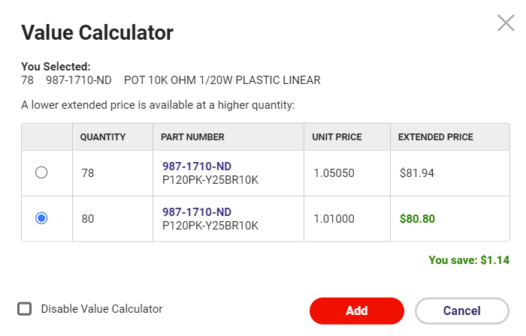
 |  |  |  |  |  |  |  | Total shipping cost (Projection) |  |  |  | https://www.digikey.com/en/products/detail/digikey/DKS-SOLDERBREAD-02/15970925
 |  |  |  |  |  |  |  | $0.82
 |  |  |  |  |  |  |  | $0.82
 |  |  |  |  |  |  |  | $0.82
 |  |  |  |  |  |  |  | $0.82
 |  |  |  |  |  |  |  | $1.23
 |  |  |  |  |  |  |  | $1.23
 |  |  |  |  |  |  |  | $0.41
 |  |  |  |  |  |  |  | $0.41
 |  |  |  |  |  |  |  | $0.41
 |  |  |  |  |  |  |  | $9.00

 |  |  |  |  |  |  |  | Actual Total Shipping Cost
 |  |  |  |  |  |  |  | $6.99
 |  |  |  |  |  |  |  | $8.99

